1. Title Page
[Instacart Grocery Basket Analysis]

Project Name: Instacart Grocery Basket Analysis
Date: 23 October 2023
Analyst Name: Matt Chaplin

Contents:
Population Flow
Consistency checks
Wrangling steps
Column derivations
Visualizations
Recommendations

2. Population Flow
Title page

Population flow

Exclusion flag
Condition: max_order < 5
Obervations to be removed: 1440295
Final total count of order_products_all: 31770614

Orders_products_combined
Orders_products_merged
Orders_products_all

Total:(32434489,10)
Total:(32404859, 23)
Total: (32404859, 31)

3. Consistency checks
 |  |  |  | Title page
Consistency checks

Dataset | Missing values | Missing values treatment | Duplicates
orders | ['days_since_prior_order] 206209 | These are legitimate values as the first order is always NaN days since prior order. | none
products | ['product_name'] 16 | Removed | removed 5 duplicates
orders_products_prior | none | none | none
customers | ['first_name'] 11259 | Entire column was deleted as PII | none

4. Wrangling steps
 |  |  |  | Title page
Wrangling steps

Columns dropped | Columns renamed | Columns' type changed | Comment/Reason
orders.eval_set |  |  | irrelevant
 | orders.order_dow |  | renamed order_day_of_week for ease of understanding
 |  | orders.user_id | changed to string, numeric analysis was not needed
 |  | orders.order_id | changed to string, numeric analysis was not needed
customers.first_name |  |  | Unnecessary PII
customers.Surnam |  |  | Unnecessary PII

5. Column derivations
 |  |  |  |  |  |  | Title page

Column derivations and aggregations

Dataset | New column | Column/s it was derived from | Conditions | Value Counts of Derived Columns:
orders_products_merged | price_range_loc | prices | High-range product' > 15, 'Mid-range product' >5 & <= 15, 'Low-range product' <= 5
 | busiest_period_of_day | order_hour_of_day | Most orders' 9-16, 'Average orders' 7-8 & 17-22, 'Fewest orders' 23-6
 | busiest_day | order_day_of_week | if 0: 'busiest day', elif 4: 'least busy', else 'regularly busy' | price_range_loc | count | %
 | busiest_days | order_day_of_week | if 0 or 1: 'Busiest days', elif 4 or 3: 'Least busy', else: 'regularly busy' | Mid-range product | 20891771 | 67%
 | loyalty_flag | max_order | if > 40: 'Loyal customer', elif <=40 & > 10: 'Regular customer, elif <=10: 'New customer' | Low-range product | 9674840 | 31%
 | spending_flag | mean_price | if > 10: 'High spender', elif >=10: 'Low spender' | High-range product | 397953 | 1%

 | frequency_flag | median_days_since_prior_order | if >20: 'Non-frequent customer', elif >10 & <= 20: 'Regular customer', elif <= 10: 'Frequent customer' | busiest_day | count | %
complete_dataframe | region | state | Divided by region information on Wikipedia | regularly busy | 21430960 | 69%
 | age_group | age | if >35: 'younger', if >=35 & <=65: 'Middle', if >65: 'older' | Busiest day | 5908610 | 19%
 | age_fam | age_group, family_status | If 'age_group' == 'Middle' & 'family_status' == 'Married': 'Middle - married'. And so on for each of the 8 combinations present in the data | Least busy | 3624994 | 12%
 | income_range | income | if >200000: 'Very High income', if >=100000 and <=200000: 'High income', if <100000: 'Regular income'
 | dependants | n_dependants | if >=1: 'yes', if == 0: 'no' | busiest_days | count | %
 |  |  |  | regularly busy | 12349739 | 40%
 |  |  |  | Busiest days | 11320296 | 37%
 |  |  |  | Least busy | 7294529 | 24%

 |  |  |  | busiest_period_of_day | count | %
 |  |  |  | Most orders | 20180856 | 65%
 |  |  |  | Average orders | 9550810 | 31%
 |  |  |  | Fewest orders | 1232898 | 4%

 |  |  |  | loyalty_flag | count | %
 |  |  |  | Regular customer | 15876776 | 51%
 |  |  |  | Loyal customer | 10284093 | 33%
 |  |  |  | New customer | 4803695 | 16%

 |  |  |  | spending_flag | count | %
 |  |  |  | Low spender | 30361139 | 98%
 |  |  |  | High spender | 603425 | 2%

 |  |  |  | frequency_flag | count | %
 |  |  |  | Frequent customer | 21204476 | 68%
 |  |  |  | Regular customer | 6865113 | 22%
 |  |  |  | Non-frequent customer | 2894975 | 9%

 |  |  |  | region | count | %
 |  |  |  | South | 10311139 | 33%
 |  |  |  | West | 7927227 | 26%
 |  |  |  | Midwest | 7261513 | 23%
 |  |  |  | Northeast | 5464685 | 18%

 |  |  |  | age_group | count | %
 |  |  |  | middle | 14526725 | 47%
 |  |  |  | young | 8242295 | 27%
 |  |  |  | old | 8195544 | 26%

 |  |  |  | age_fam | count | %
 |  |  |  | Middle - married | 10872560 | 35%
 |  |  |  | Older - married | 6173586 | 20%
 |  |  |  | Younger - married | 4697565 | 15%
 |  |  |  | Middle - single | 3030852 | 10%
 |  |  |  | Younger - single | 2063558 | 7%
 |  |  |  | Older - divorced/widowed | 2021958 | 7%
 |  |  |  | Younger - living with parents & siblings | 1481172 | 5%
 |  |  |  | Middle - divorced/widowed | 623313 | 2%

 |  |  |  | income_range | count | %
 |  |  |  | Regular income | 16757162 | 54%
 |  |  |  | High income | 13953260 | 45%
 |  |  |  | Very High income | 254142 | 1%

 |  |  |  | dependants | count | %
 |  |  |  | yes | 23224883 | 75%
 |  |  |  | no | 7739681 | 25%

6. Visualizations
 |  |  |  |  |  |  | Title page
Visualisations

1.The sales team needs to know what the busiest days of the week and hours of the day are (i.e., the days and times with the most orders) in order to schedule ads at times when there are fewer orders.

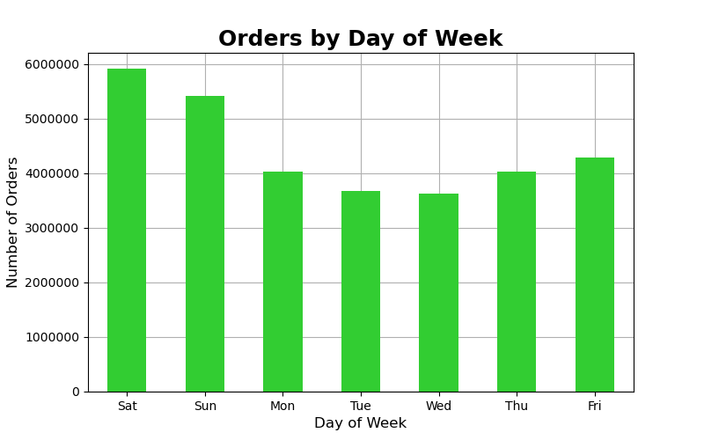

The days of the week with the most orders are Saturday and Sunday

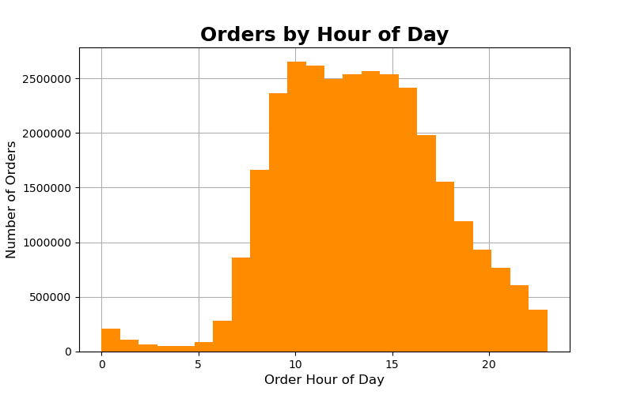

The hours of the day with the most orders are between 9 and 16

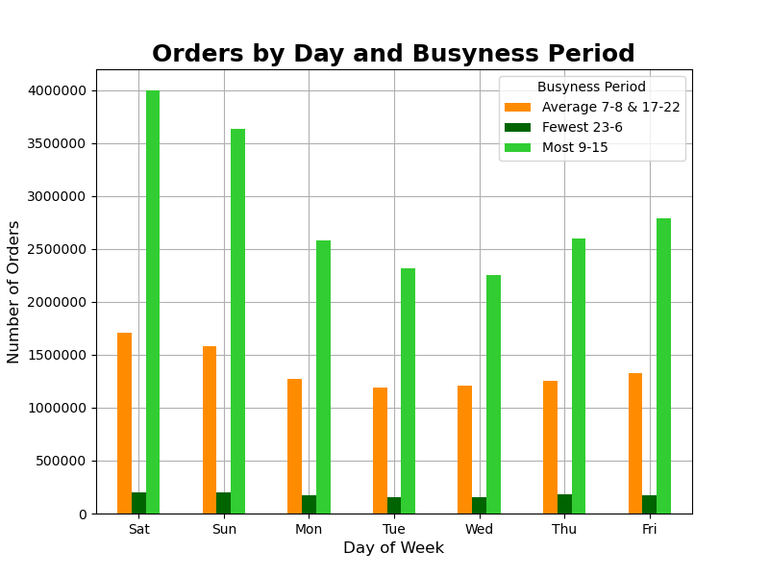

The times of day when orders are placed fall into three natural catgories:
most orders (9-16), average orders (7-8 & 17-22), &
fewest orders (23 - 6)

The busiest Days of the week are Saturday and Sunday, with the most orders occuring in the hours 9-16
The number of orders overnight, when there are fewest orders, remains fairly constant across the week

2. They also want to know whether there are particular times of the day when people spend the most money, as this might inform the type of products they advertise at these times.

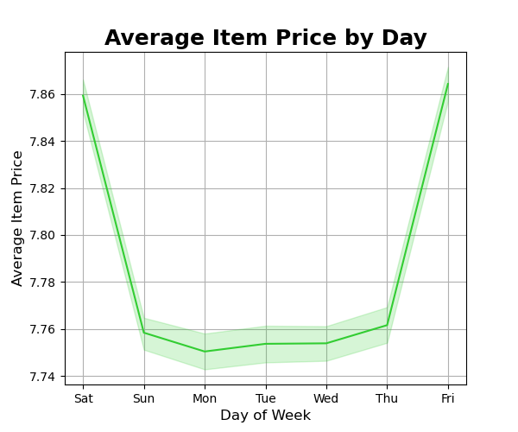
Instacart customers tend to order more expensive items on Friday and Saturday than during the week

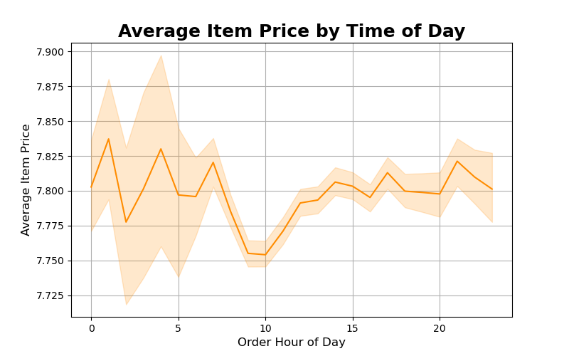

In the morning period (8 - 12) Instacart customers tend to buy lower cost items.

3. Instacart has a lot of products with different price tags. Marketing and sales want to use simpler price range groupings to help direct thier efforts.

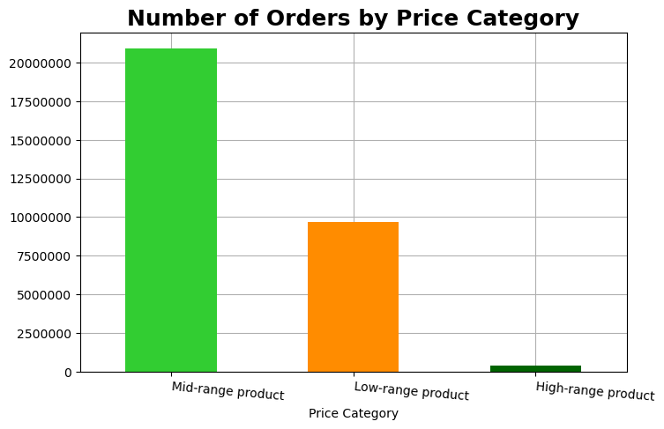
Instacart's products fall into 3 price categories: Mid-range product ($5 - 15) 67% of orders
Low-range product (< $5) 31% of orders,
High-range product (> $ 15) 1% of orders

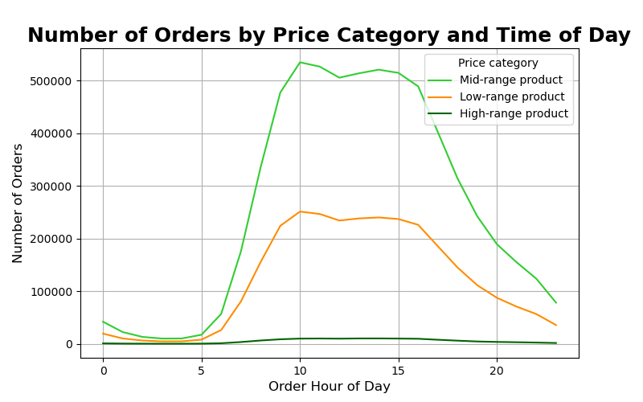

Mid-range products are the most ordered at all hours of day
High-range products are almost exclusively ordered during the day (8 - 20)

4. Are there certain types of products that are more popular than others? The marketing and sales teams want to know which departments have the highest frequency of product orders.

70% of all orders come from the top 5 categories: Produce, dairy eggs, snacks, beverages, & frozen
department | % of orders
produce | 29%
dairy eggs | 17%
snacks | 9%
beverages | 8%
frozen | 7%
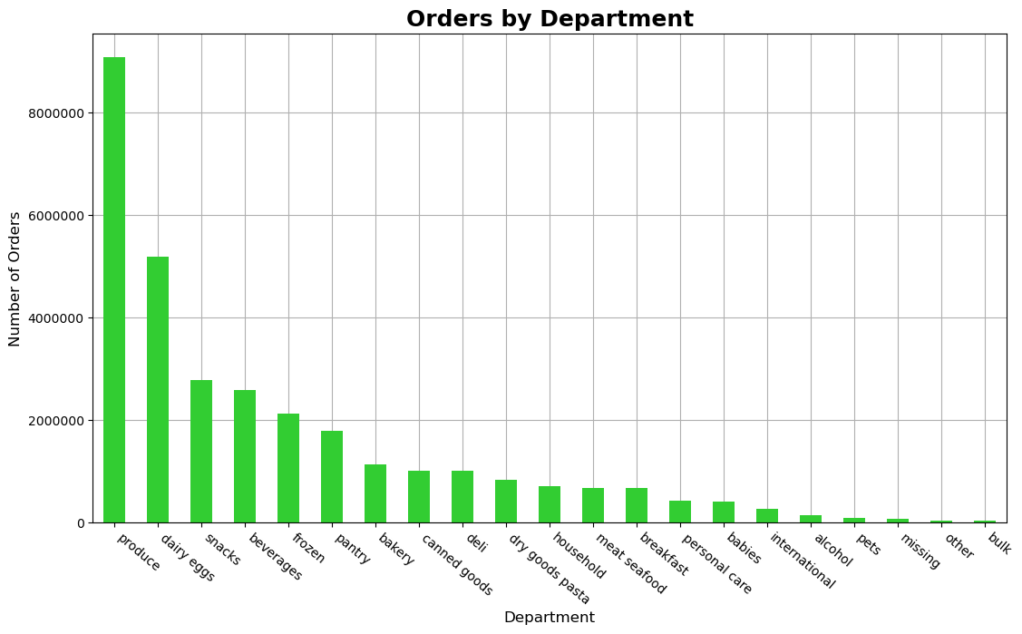
pantry | 6%
bakery | 4%
canned goods | 3%
deli | 3%
dry goods pasta | 3%
household | 2%
meat seafood | 2%
breakfast | 2%
personal care | 1%
babies | 1%
international | 1%
alcohol | 0%
pets | 0%
missing | 0%
other | 0%
bulk | 0%

Produce alone makes up 29% of total orders

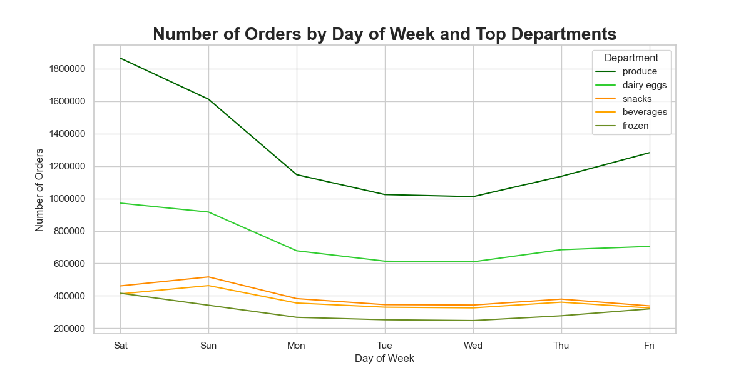

Whilst most departments follow a similar trend of order numbers across the week, snacks and beverages follow a noticabely different pattern with a weekday peak of Thursday and a weekend peak of Sunday

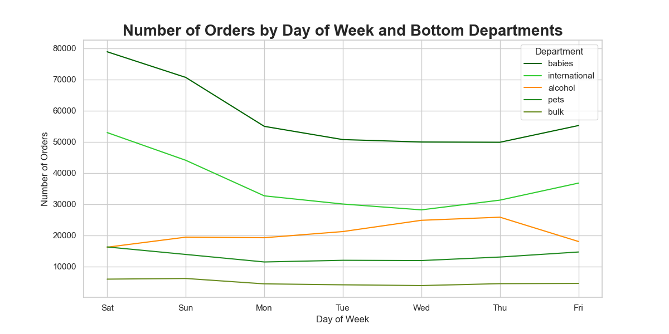

orders of items from the alcohol department follow a completely different trend
Orders of alcohol are at their fewest on Saturday, steadily climbing through the week to a peak on Thursday

5. The marketing and sales teams are particularly interested in the different types of customers in their system and how their ordering behaviours differ. For example:

5a. What’s the distribution among users in regards to their brand loyalty (i.e., how often do they return to Instacart)?

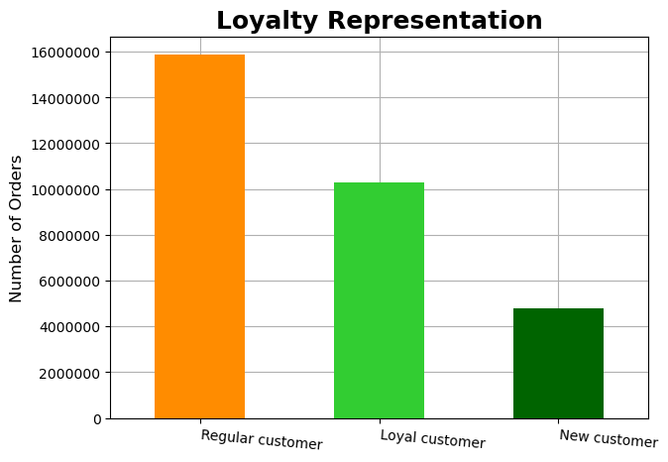

49% of customers are Regular customers with between 10 & 40 orders
32% of customers are Loyal customers with over 40 orders
19% of customers are New customers with fewer than 10 orders

5b. Are there differences in ordering habits based on a customer’s loyalty status?

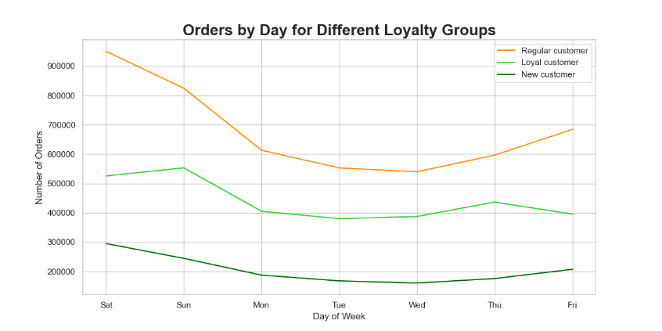
Loyal customers have their weekday peak on Thursday as opposed to Friday in the other two groups.
They also continue differently overall with most orders on Sunday compared to Saturday in the other two groups

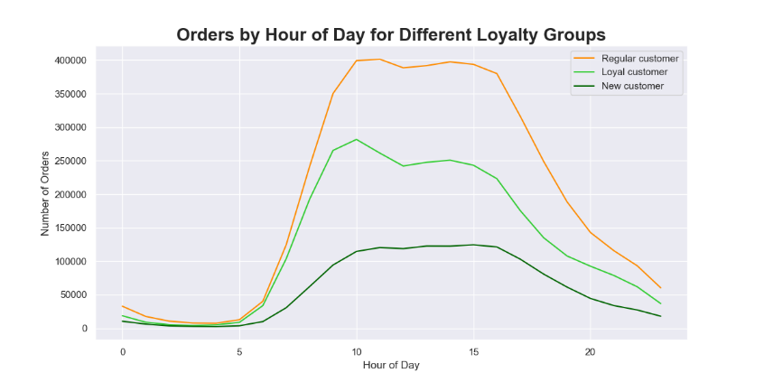

New customers don't exhibit the late-morning dip in orders observed in the other two groups

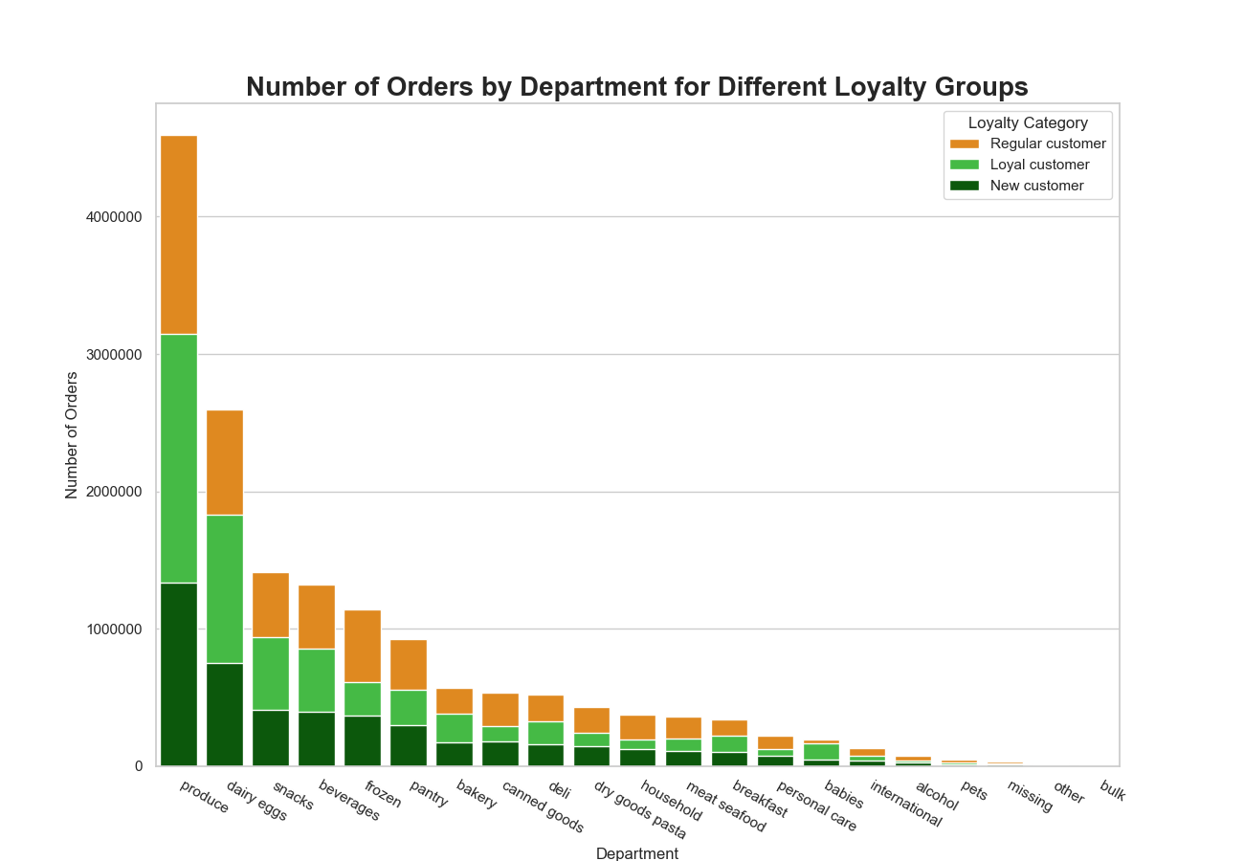

Regular customers have a proportionally higher interest in items from frozen and pets.
Loyal customers in babies and bulk indicating that they are likely to be parents
New customers are proportionally more interested in alcohol.

5c. Are there differences in ordering habits based on a customer’s region?

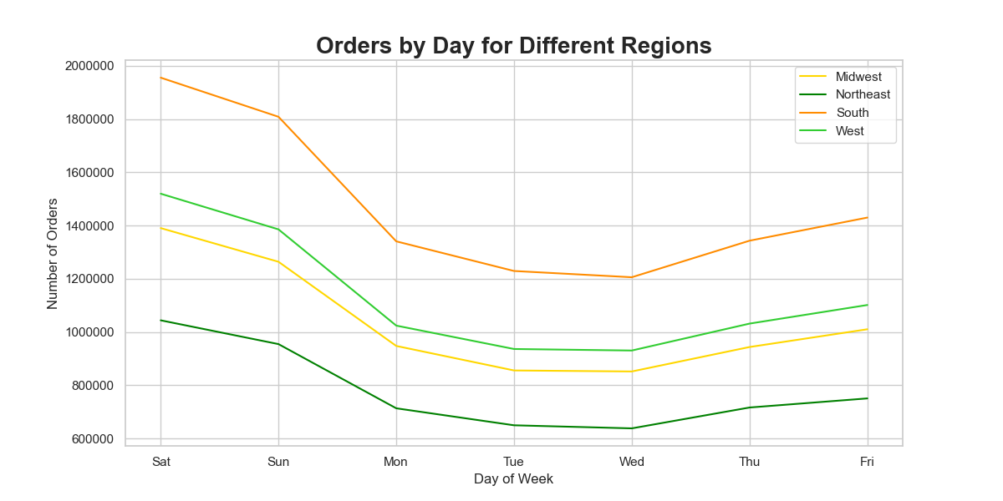
South make up for 33% of all orders
West for 26%
Midwest for 23%
Northeast for only 18%
All regions follow a similar pattern of orders across days of the week

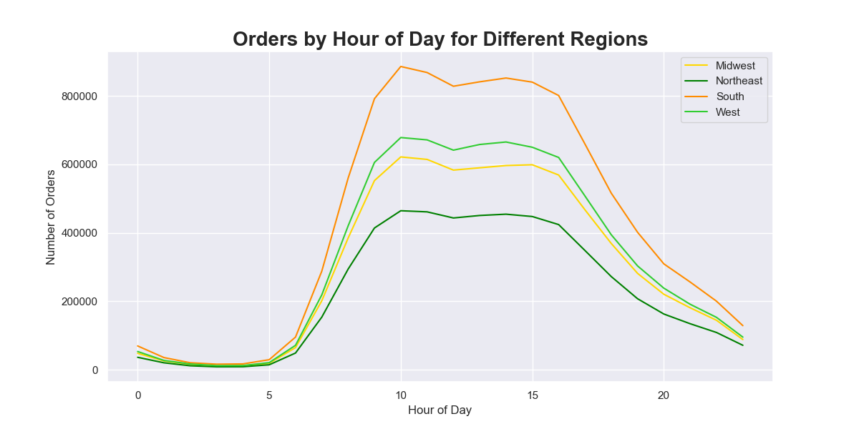

There is no strong regional difference across hours of day

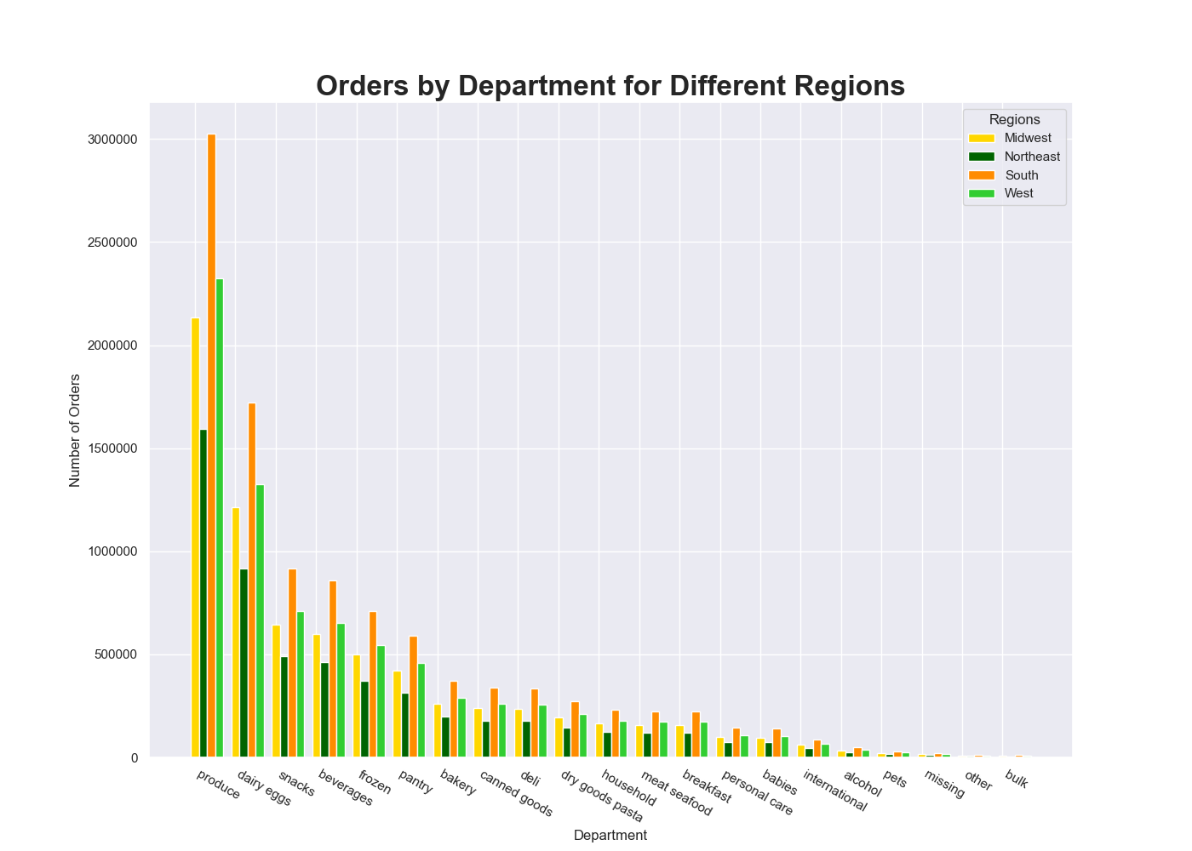

All regions follow a similar pattern of ordering across the departments.
Customers in the South have a proportionally higher number of orders in the babies and alcohol departments

5d. Is there a connection between age and family status in terms of ordering habits?

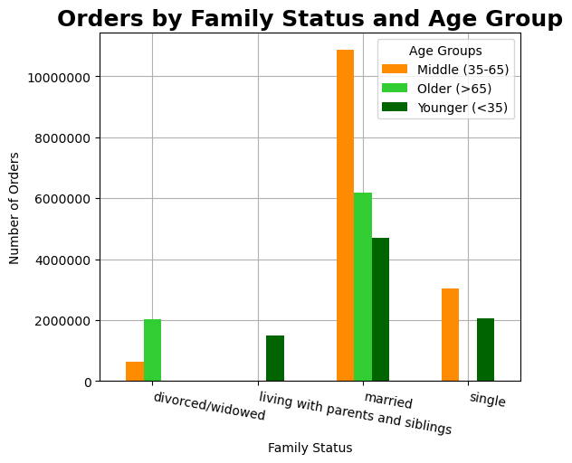

Age and family status divide Instacart customers into only 8 groups

 |  |  |  |  | Age Group & Family Status | % of orders
 |  |  |  |  | Middle - married | 35%
 |  |  |  |  | Older - married | 20%
 |  |  |  |  | Younger - married | 15%
Married customers of the three age groups combined make 70% of all orders on the platform
 |  |  |  |  | Middle - single | 10%
 |  |  |  |  | Younger - single | 7%
 |  |  |  |  | Older - divorced/widowed | 7%
 |  |  |  |  | Younger - living with parents and siblings | 5%
 |  |  |  |  | Middle - divorced/widowed | 2%

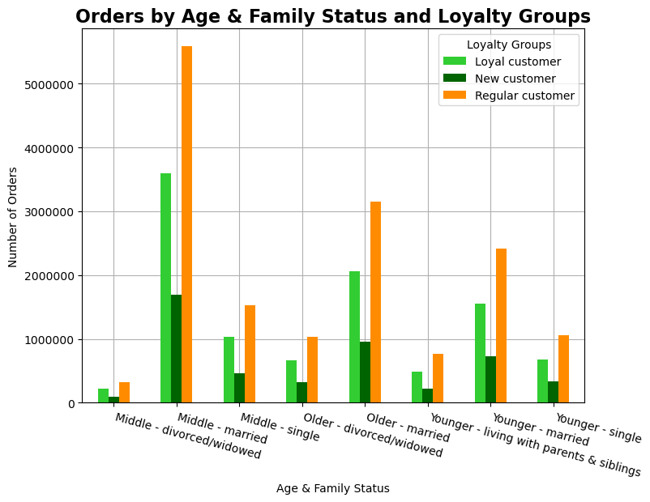

The three loyalty groups appear in similar proportions in all 8 age & family status groups.

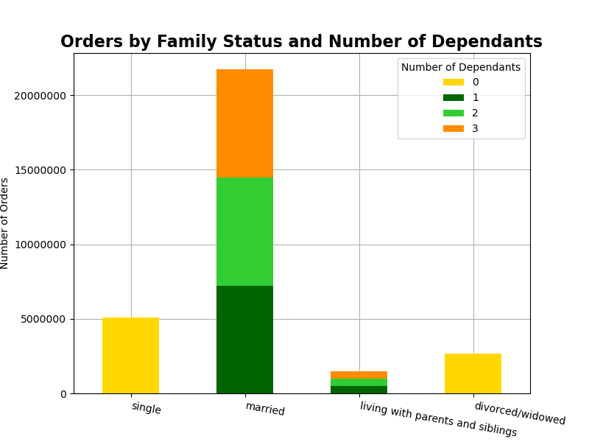

All married customers (70% of Instacart customers) have at least one dependant
It seems likely that the vast majority of customers are married parents

5e. What different classifications does the demographic information suggest? Age? Income? Certain types of goods? Family status?

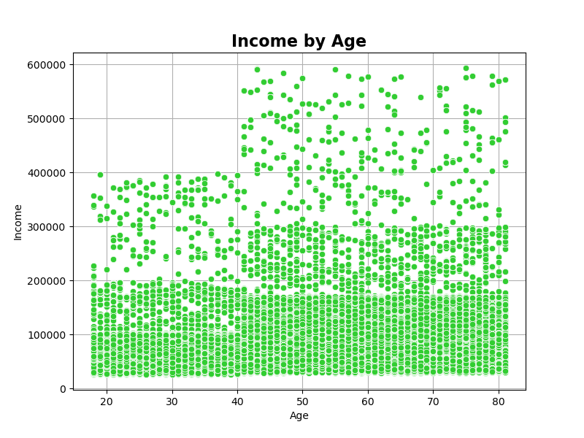
Here we can classify 3 groups by income:
Regular income (<100k)
High income (100k - 200k)
Very high income (>200k)

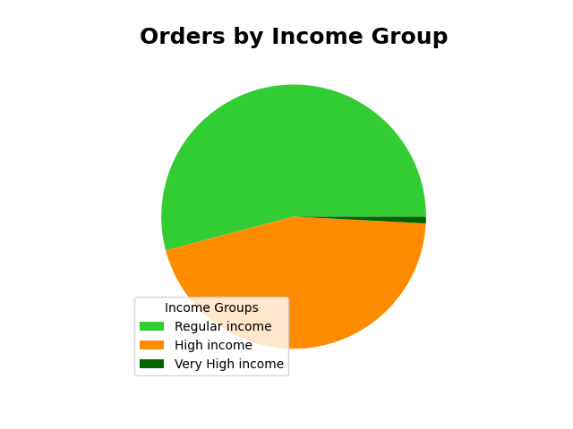

 | Income range | % of Orders
 | Regular income | 54%
 | High income | 45%
 | Very High income | 1%

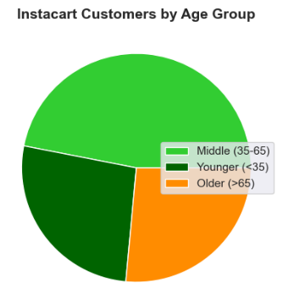

We can divide into 3 Age groups:
Middle (35 - 65)
Older (>65)
Younger (<35)

 | Age Group | % of orders
 | Middle (35 -65) | 47%
 | Older (>65) | 26%
 | Younger (<35) | 27%

We have already established the 8 classifications of Age Group and Family Status
Furthermore that married customers make 70% of instacart orders and ALL married customers have at least one dependant
Age Group & Family Status | % of orders
Middle - married | 35%
Older - married | 20%
Younger - married | 15%
Middle - single | 10%
Younger - single | 7%
Older - divorced/widowed | 7%
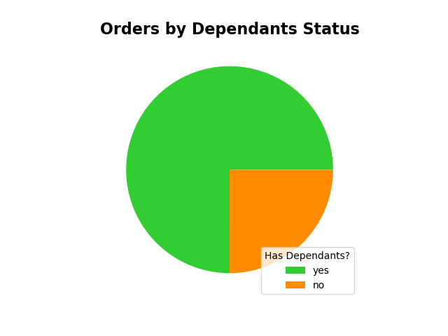
Younger - living with parents and siblings | 5%
Middle - divorced/widowed | 2%

A more signigicant classification could be whether a customer has depentants:
yes 75%
no 25%

As married customers make 70% of instacart orders and ALL married customers have dependants
Finding out what motivates a customer without dependants to order should be an important step towards attracting the missing married - no depentdant group of customers

5f. What differences can you find in ordering habits of different customer profiles? Consider the price of orders, the frequency of orders, the products customers are ordering, and anything else you can think of.

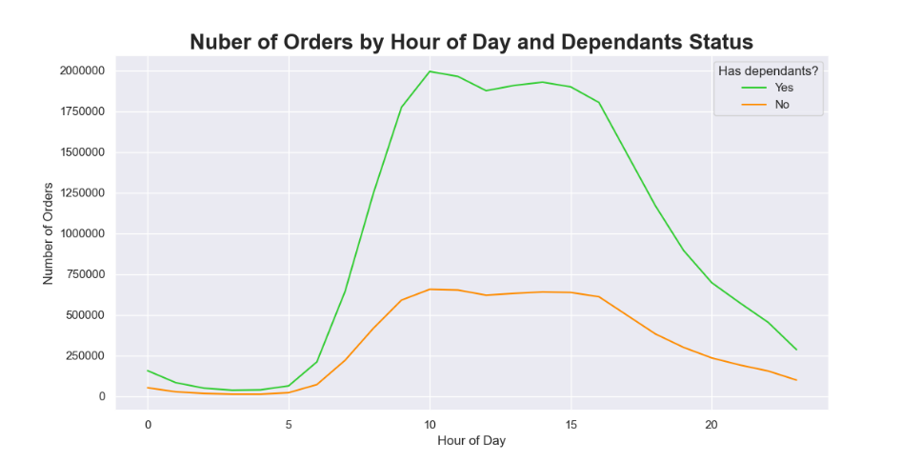
no dependant customers place proportionally more orders at 16, 22 & 23 than their counterparts with dependants

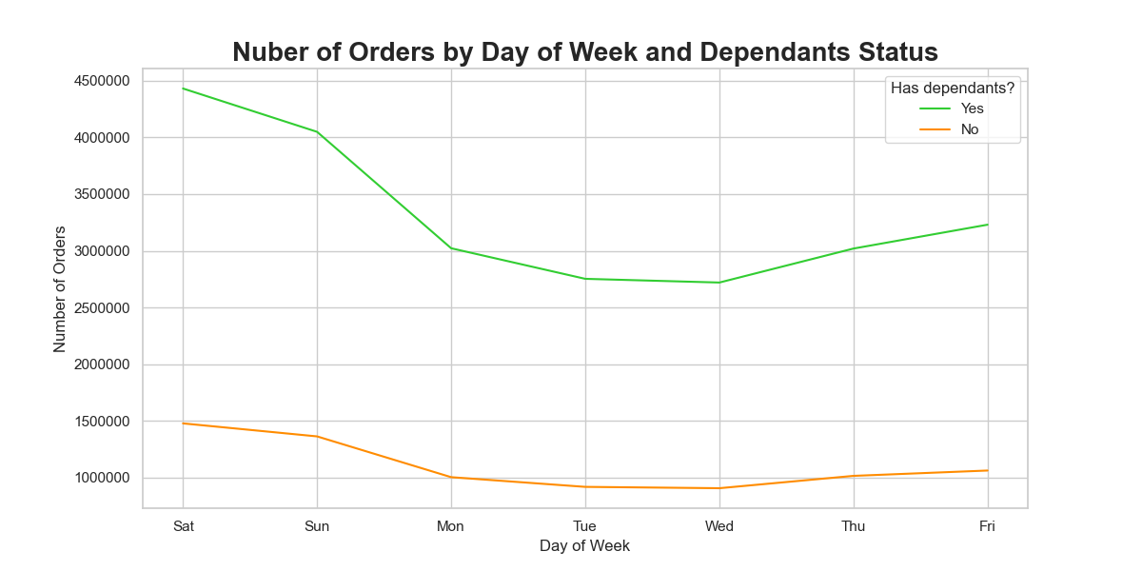

Customers with no dependants are more likely to order on a Sunday than those with dependants
18% of all their orders are placed on a Sunday, compared to only 17% of those with dependants

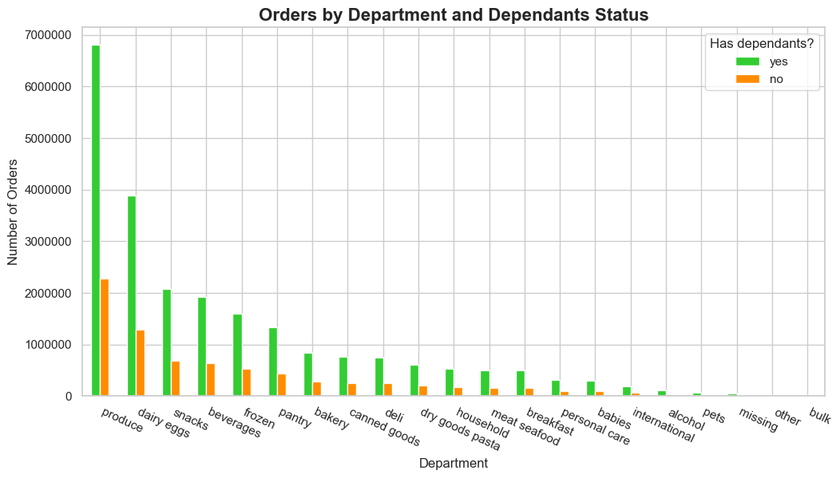

no depentants customers are proportionally more interested in ordering from beverages & alcohol departments than their counterparts with dependants
we know that these departments follow a different trend of orders by day of week, so a tailored approach to targeting their users is possble

no dependants customers are slightly more likely to have High income or Very High income than their counterparts with dependants

income_range | % yes orders | % no orders
Regular income | 54.19% | 53.89%
High income | 44.99% | 45.28%
Very High income | 0.82% | 0.83%

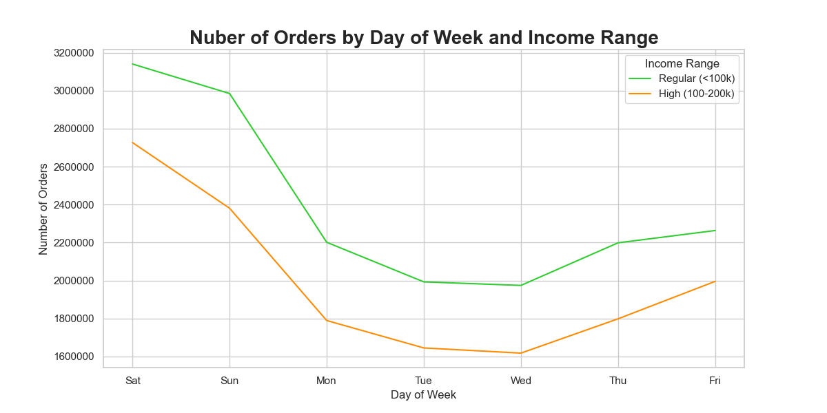
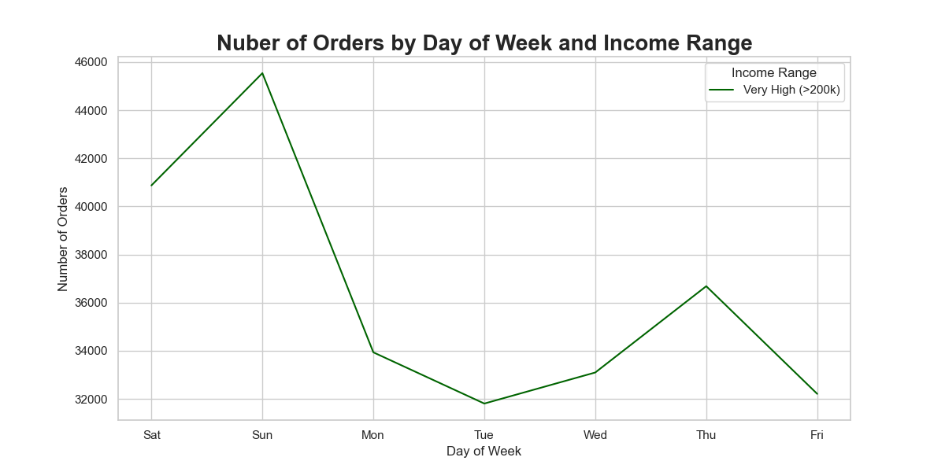

Very High income earners follow a different pattern of ordering, peaking on Sunday and Thursday, rather than Friday for a weekday and Saturday for a weekend.

They order proprtionally 2 times the number of High-range products as the other two categories.
 | Price Category | % regular income orders | % High income orders | % Very High income orders
 | Mid-range product | 66% | 69% | 67%
 | Low-range product | 33% | 30% | 31%
 | High-range product | 1% | 1% | 2%

7. Recommendations
 | Title page

Recommendations

Question
1.The sales team needs to know what the busiest days of the week and hours of the day are (i.e., the days and times with the most orders) in order to schedule ads at times when there are fewer orders.

Insights
Saturday and Sunday are the days of the week with the most orders
Tuesday and Wednesday are the days with the fewest orders.
Overnight (23 - 6) are the hours with the fewest orders. These numbers remain constant across the week.
The number of orders in the hours with average numbers of orders (7 - 8 & 17 - 22) and those with most orders (9 - 16) varies across the week, with the lowsest numbers of orders on Tuesday and Wednesday.
Reccomendations
Schedule ads to increase awareness of the service's overnight availability. This should lead to an increase in number of orders particularly on Friday and Saturday nights to fall in-line with the trend in other busyness periods
Schedule extra ads promoting the usefulness of Instacart for quick midweek purchases. Aiming to increase number of orders on Tuesday and Wednesday

2. They also want to know whether there are particular times of the day when people spend the most money, as this might inform the type of products they advertise at these times.

Insights
Instacart customers tend to spend on low-range products in the morning period 8 - 12
Higher-range products are more likely to be ordered in the afternoon, evening and overnight.
Reccomendations
Advertise low-range products in the morning period (8 - 12) to build upon the existing market demand
Advertise Mid-range and High-range products in the afternoon, evening, and overnight, with a particular focus on Friday and Saturday

3. Instacart has a lot of products with different price tags. Marketing and sales want to use simpler price range groupings to help direct thier efforts.

Insights
Instacart's products fall into 3 price categories:
Mid-range product ($5 - 15) 67.4% of orders
Low-range product (< $5) 31.3% of orders,
High-range product (> $ 15) 1.3% of orders
Mid-range products are the most ordered at all hours of day
High-range products are almost exclusively ordered during the day (8 - 20)
Reccomendations
Focus on Mid-range products ($5-15) As they make up over 67% of all orders
High-range products should be focused more during the day (8 - 20) when they are most often ordered

4. Are there certain types of products that are more popular than others? The marketing and sales teams want to know which departments have the highest frequency of product orders.

Insights
70% of all orders come from the top 5 categories. Produce, dairy eggs, snacks, beverages, & frozen
Produce alone makes up 29% of total orders
Whilst most departments follow a similar trend of order numbers across the week, snacks and beverages follow a noticabely different pattern with a weekday peak of Thursday and a weekend peak of Sunday
orders of items from the alcohol department follow a completely different trend
Orders of alcohol are at their fewest on Saturday, steadily climbing through the week to a peak on Thursday
Reccomendations
Focus advertising efforts on the top 5 categories who make up 70% of all instacart orders
Special focus can be placed on Produce, which alone accounts for 29% of orders
Advertisements for products from snacks, beverages and alcohol departments can be treated differently
There is an oportunity for further analysis to determine why these products are ordered in a different pattern

5. The marketing and sales teams are particularly interested in the different types of customers in their system and how their ordering behaviours differ. For example:
a) What’s the distribution among users in regards to their brand loyalty (i.e., how often do they return to Instacart)?

Insights
49% of customers are Regular customers with between 10 & 40 orders
32% of customers are Loyal customers with over 40 orders
19% of customers are New customers with fewer than 10 orders
Reccomendations
Implement a rewards program to incentivise Regular customers to become Loyal customers

b) Are there differences in ordering habits based on a customer’s loyalty status?

Insights
Loyal customers have their weekday peak on Thursday as opposed to Friday in the other two groups.
They also continue differently overall with most orders on Sunday compared to Saturday in the other two groups
New customers don't exhibit the late-morning dip in orders observed in the other two groups
Regular customers have a proportionally higher interest in items from frozen and pets.
Loyal customers in babies and bulk indicating that they are likely to be parents
New customers are proportionally more interested in alcohol.
Reccomendations
Target ads for Bulk and Baby items on Thursday and Sunday, when the Loyal customers are making the most orders
Provide specials for new customers on items in the alcohol department as a way to draw in more new customers
Target ads to the Regular and Loyal customer groups at 11 and 12, to try and prevent the late morning dip in orders

c) Are there differences in ordering habits based on a customer’s region?

Insights
South make up for 33% of all orders, West for 26%, Midwest for 23%, Northeast for only 18%
All regions follow a similar pattern of orders across days of the week
There is no strong regional difference across hours of day
All regions follow a similar pattern of ordering across the departments.
Customers in the South have a proportionally higher number of orders in the babies and alcohol departments
Reccomendations
Further analysis on the customer profiles and targeted advertising in the Notheast could help to build customer-base in that region through targeted advertising
So far as targeting advertising based on day of week, or hour of day is concerned, the four regions can be treated in the same way

d) Is there a connection between age and family status in terms of ordering habits?

Insights
Age and family status divide Instacart customeres into only 8 groups
Married customers of all three age groups make 70% of all orders on the platform
The three loyalty groups appear in similar proportions in all 8 age & family status groups.
All married customers (70% of Instacart customers) have at least one dependant
It seems likely that the vast majority of customers are married parents
Reccomendations
Target ads at the single and divorced/widowed customers to increase their usage of Instacart
Further analysis may be required to investigate why the married and childless aren't using Instacart at all
Learn more about the usage of these 8 different groups and what inspires them to order to better engage in targeted adverting

e) What different classifications does the demographic information suggest? Age? Income? Certain types of goods? Family status?

Insights
Instacart customers can be classified into groups based on Age, Income, Family Status, perhaps the most pertinent is having dependants.
70% of all instacart customers are married, and All of those 70% have at least one dependant.
75% of customers have dependants
Further on family status, none of the single or divorced/widowed customers have dependants
Reccomendations
Further analysis ought to be carried out to determine what motivates customers without dependants to order with Instacart
Targeted advertising can then be implemented to draw in the missing group of customers who are married without dependants

f) What differences can you find in ordering habits of different customer profiles? Consider the price of orders, the frequency of orders, the products customers are ordering, and anything else you can think of.
Insights
no dependant customers place proportionally more orders at 16, 22 & 23 than their counterparts with dependants
Customers with no dependants are more likely to order on a Sunday than those with dependants
18% of all their orders are placed on a Sunday, compared to only 17% of those with dependants
no depentants customers are proportionally more interested in ordering from beverages & alcohol departments than their counterparts with dependants
we know that these departments follow a different trend of orders by day of week, so a tailored approach to targeting their users is possble
no dependants customers are slightly more likely to have High income or Very High income than their counterparts with dependants
Very High income earners follow a different pattern of ordering, peaking on Sunday and Thursday, rather than Friday for a weekday and Saturday for a weekend.
Reccomendations
Target ads at Very High income earners for high range products on Friday and Saturday, where there is room for them to grow into the trend levels of orders
Focus on the differences in ordering habits between customers with and without dependants. Launch advertising targeted at customers without dependants in an attempt to draw a potentially massive missing group of customers (Married with no depenendants)
Use focus groups to discover what motivates customers of each of our demographic profiles to order and how they found out about the company - use this knowledge to try and draw in the missing groups
Follow-up with further analysis to determine the effectiveness of any changes

8. References
References

Instacart Project Brief | Link

Instacart Data Sets (open source) | “The Instacart Online Grocery Shopping Dataset 2017”, Accessed from www.instacart.com/datasets/grocery-shopping-2017 via Kaggle on September 28th, 2023.
 | Link

Career Foundry Data Sets | Customer demographic information was created and provided by Career Foundry for the purpose of this analysis

Regional Definitions | List of regions of the United States - Simple English Wikipedia, the free encyclopedia

